Power Losses
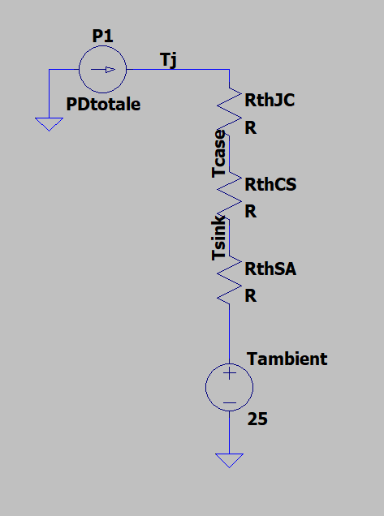
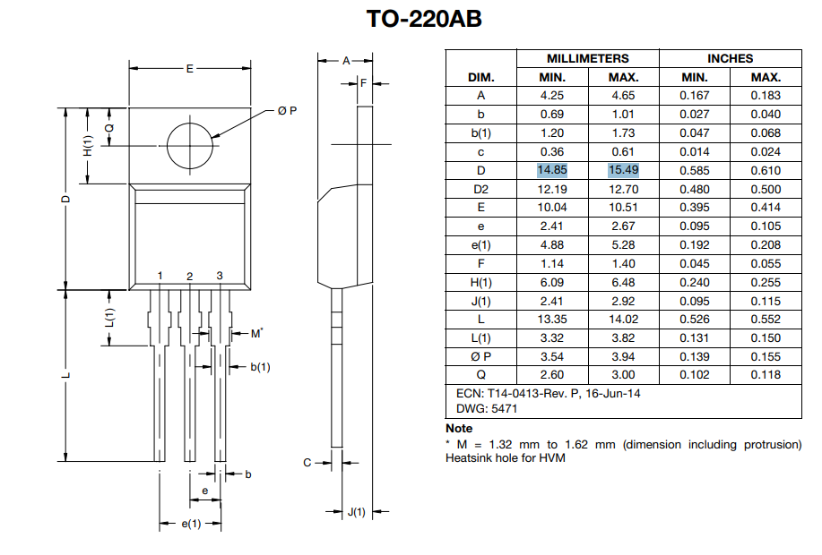
 |  |  |  |  |  |  |  |  |  | MOSFET losses for nominal current
MOSFET:
RthJA(without heatsink) (C/W) | RthCS (meaningless value)(C/W) | RthJC(K/W) | RthCS(thermal paste) (K/W) |  | RthSA(K/W) |  |  |  |  | Irmsn(A) | Ipulsen(A) | Pcondn(W) | Pswn(W) | Pn(W)
62 | 0.5 | 2.5 | 0.91650438811 |  | 6.6389556161 |  |  |  |  | 6.36 | 8.9943982567 | 5.460696 | 0.2026401699 | 5.6633361699

 |  |  |  |  |  |  |  |  |  | Inverter nominal apparent power(VA)
K (W/m.K) | E(m) | D(m) | Area(m²) | L (m) (loose clamping) | Package |  |  |  |  | 318
0.7 | 0.010275 | 0.01517 | 0.00015587175 | 0.0001 | TO-220AB

note: thermal paste from alixexpress (cheap)

Rtot(K/W) | Tambient(C°) | Tjmax(C°) | Pmax(W)
10.055460004 | 25 | 175 | 14.917268821

ZthJC(K/W) | (pour 100µS )
1.5

 |  |  |  |  |  | (NOTE : VISHAY INTRODUCED A SAFETY MARGIN, THE MAX CURRENT SHOULD BE 14.9 A according to the INT-936)
 |  |  |  |  |  | IDC(max) | 9.2A (25C) | Ipulse(100µs-80V) | 20A
 |  |  |  |  |  | Pmax: | 60W (25C)
 |  |  |  |  |  | (THE SAME EQUATION APPLIES FOR MAXIMUM POWER)
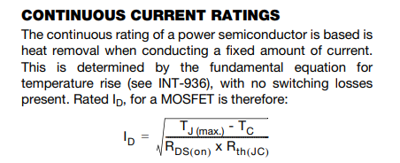

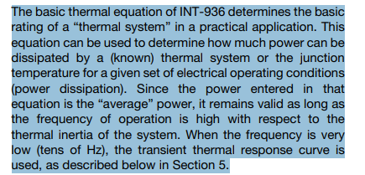
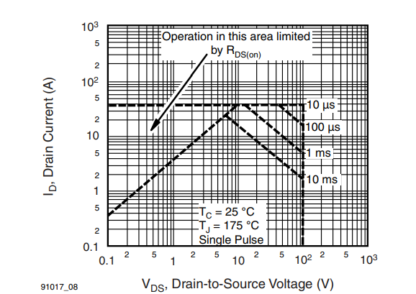

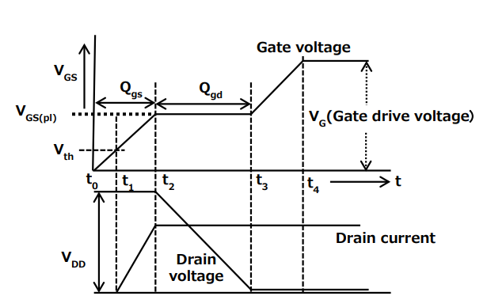

RG>= 10 ohms
Rg(ohm) | Vgs(th)(V) | Vg(drive)(V) | Vgs(p)(V) | Ciss(F) (Cgs+Cgd) | Qg (Cb)
10 | 4 | 10 | 7 | 3.6E-10 | 0.000000016
 |  |  |  |  | Qgd (Cb)
 |  |  |  |  | 7.7E-09
tr(s) | tf(s) | ton(s) | toff | fc(Hz)
2.49532985E-09 | 2.5666666667E-08 | 2.8161996517E-08 | 2.8161996517E-08 | 10000

Vpv(V) | Ipulsemax(A) | Psw(W) |  | Pd calc(W)
80 | 14.700004356 | 0.33118517717 |  | 14.917268821
DATASHEET MAX (A) |  | Calculated MAX(A)
20 |  | 7.8326458238
Vgridrms(V)
50
A | B | C | Delta | Irmsmax1 | Irmsmax2
0.135 | 0.031861661934 | -14.917268821 | 8.0563403288 | -10.630485074 | 10.394472763

 |  |  |  | INVERTER MAX OUTPUT
Irmsmax(A) | Rds(on) | Pcond(W) |  | Smax(THEORY)(VA)
10.394472763 | 0.27 | 14.586083644 |  | 519.72363817
DATASHEET MAX (A)
9.2
DIODE: | (SWITCHING LOSSES NEGLECTED EVENTHOUGH THIS DIODE IS SLOW AND PROBABLY HAS LOTS OF SW LOSSES)
 |  |  |  |  |  | To find Irms max:

 | Diode conduction interval(%) | Diode conduction interval(%)
 | 10 | 50
Vf(V) | Pcond Diode (W) | Pcond Diode (W)
1.1 | 1.6170004791 | 8.0850023956

RJA (K/W) | Tjmax ( C) | Tambient( C) | PmaxDiode(W) |  | Max interval(%)
50 | 150 | 25 | 2.5 |  | 15.460725165

Thermal Components
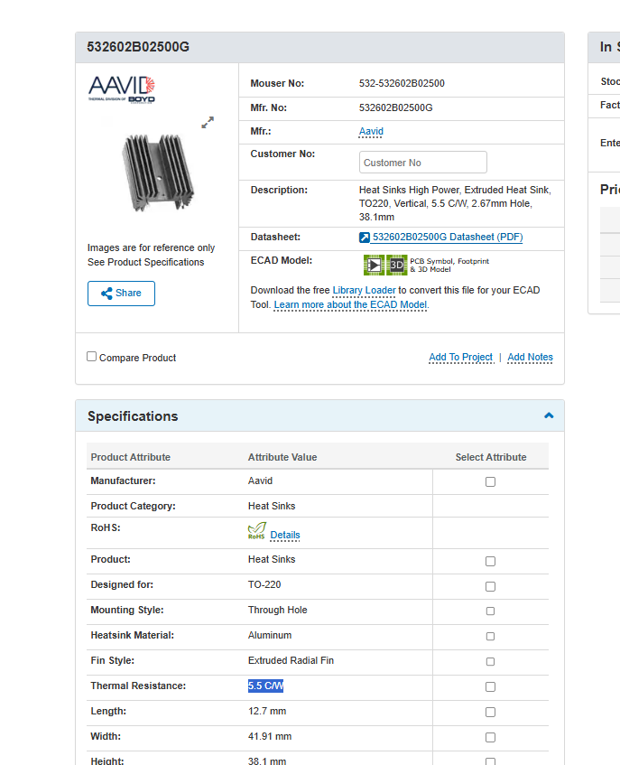
THERMAL COMPONENTS

CLOSEST LOOKING HEATSINK ON MOUSER
RthSA(K/W) | L(mm) | H(mm) | W(mm)
5.5 | 12.7 | 38.1 | 41.91
 |  |  |  |  | K (W/m.K)
 |  |  |  |  | 0.7
OUR COMPONENT
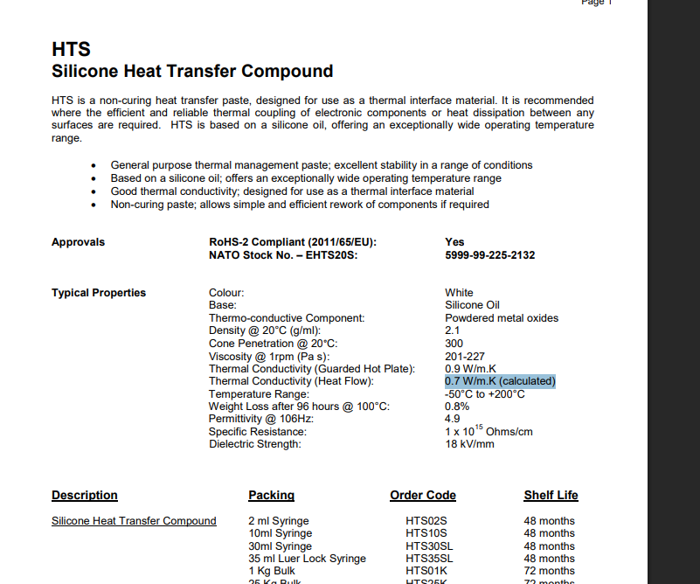
 | L(mm) | H(mm) | W(mm)
 | 35 | 48 | 12

RthSA(K/W) |  |  | SAFETY FACTOR | RthSA(K/W)
5.5324630134 |  |  | 1.2 | 6.6389556161

Filter Sizing
FILTERING
 |  |  | WE ASSUME CCM
f(Hz) | Rtransistors (ohms)
50 | 0.54

LC filter sizing:
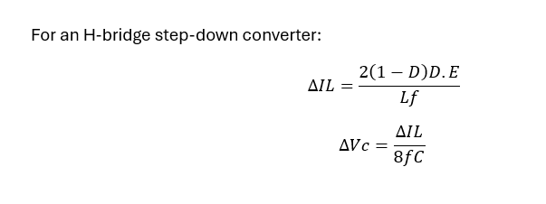
MAX CURRENT RIPPLE(%) |  | MAX VOLTAGE RIPPLE(V) |  | D(for max ripple)
0.1 |  | 5 |  | 0.5

Lfilt(H) | C(F) | fR (resonant freq)(Hz) |  |  | (FORMULA FOR BIPOLAR ONLY)
0.0027210876291 | 3.6750010889E-06 | 1591.5494309
Lfilt(mH)
2.7210876291

Power flow considerations: |  | IDEALLY Xl/R > 10
Xl | Xl/Rtransistors | Pflowmax(W)
0.85485489054 | 1.5830646121 | 2924.4729458

L filter sizing: |  |  |  |  |  |  | https://wrap.warwick.ac.uk/id/eprint/97179/7/WRAP-switching-current-ripple-calculation-passive-Zabihi-2018.pdf
 |  |  |  | (FORMULA FOR BIPOLAR APPLIED)
MAX CURRENT RIPPLE(%) |  |  |  |  |  |  | UNIPOLAR | BIPOLAR
0.1

Lfilt(H) | Lfilt(mH)
0.0054421752582 | 5.4421752582
Power flow considerations: |  | IDEALLY Xl/R > 10
Xl | Xl/Rtransistors | Pflowmax(W) |  |  |  |  | Theory :
1.7097097811 | 3.1661292242 | 1462.2364729

 |  |  |  |  |  |  | vf=vi(t): instantaneous inverter outputvoltage
 |  |  |  |  |  |  | vi1=viav:average inverter output voltage

Capacitor half bridge sizing |  |  | For given capacitances |  |  |  |  |  | For a given current

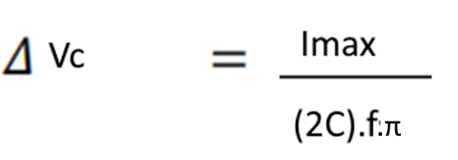
MAX VOLTAGE RIPPLE(%) |  |  | MAX VOLTAGE RIPPLE(%) |  | Ipulsemax(A) | MAX CAP VOLTAGE(V) |  |  | C(F) | Imax(A) | MAX VOLTAGE RIPPLE(V)
0.1 |  |  | 0.1 |  | 5.9061941887 | 40 |  |  | 0.01176373 | 9 | 2.4352726352

C(F) | C(mF) |  | C(F) |  | Irms(A) | Inverter Apparent Power (VA)
0.011697891783 | 11.697891783 |  | 0.0047 |  | 8.3526199237 | 236.24776755

Vpv2(V)
40

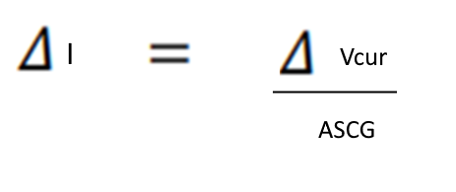
Hysterisis Controller Considerations
Current sensor gain(V/A) |  | ADC MAX | ADC resolution | Max current error (A) |  | Allowable error(%/100) |  |  |  |  | AND
0.18 |  | 1024 | 0.0048828125 | 0.027126736111 |  | 0.1
 |  |  |  |  |  | MinTest current(A)
 |  |  |  |  |  | 0.27126736111

 |  |  |  | (FORMULA FOR BIPOLAR APPLIED)
MAX CURRENT RIPPLE(%) |  | MAX CURRENT RIPPLE(A) |  | Test current(A)
0.1 |  | 0.1 |  | 1

Lfilt(H) | Lfilt(mH)
0.02 | 20
Power flow considerations: |  | IDEALLY Xl/R > 10
Xl | Xl/Rtransistors | Pflowmax(W)
6.2831853072 | 11.635528347 | 397.88735773

Misc
